Sheet1
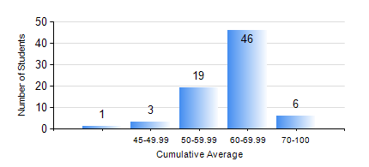
 |  |  | KWAME NKRUMAH UNIVERSITY OF SCIENCE AND TECHNOLOGY, KUMASI Department of Mechanical Engineering

 |  |  | BSC. MARINE ENG.

 |  |  | COMPREHENSIVE RECORD OF EXAMINATION RESULTS

 |  |  | RESULTS OF YEAR 2 SECOND SEMESTER, 2021/2022 ACADEMIC YEAR

 | Sn | Course Code |  | Course Name | Credit Hours | Min. Mark | Max. Mark | Avg. Mark | Std. Dev. | No. Passed | No. Trailed | No. (Df) | No. (I) | No. (I*) | No. Tagged(I,I*,Df) | Total
 | 0. |  |  |  |  |  |  | 0 | 0 | 0 | 0 | 0 | 0 | 0 | 0 | 3
 | 1. | MATH 252 |  | CALCULUS WITH SEVERAL VARIABLES | 4 | 50 | 87 | 72 | 6.74 | 72 | 0 | 0 | 0 | 0 | 0 | 72
 | 2. | ME 252 |  | FLUID DYNAMICS 1 | 2 | 40 | 85 | 60 | 10.9 | 72 | 0 | 0 | 0 | 0 | 0 | 72
 | 3. | ME 270 |  | MANUFACTURING TECHNOLOGY | 3 | 45 | 84 | 63 | 7.94 | 72 | 0 | 0 | 0 | 0 | 0 | 72
 | 4. | MME 264 |  | MARINE MECHANISMS, SYSTHESIS AND ANALYSIS | 3 | 27 | 95 | 59 | 13.57 | 71 | 1 | 0 | 0 | 0 | 0 | 72
 | 5. | MME 274 |  | MARINE ENGINEERING DESIGN PROJECT II | 2 | 31 | 93 | 57 | 14.39 | 68 | 4 | 0 | 0 | 0 | 0 | 72
 | 6. | MME 292 |  | SEAMANSHIP | 2 | 42 | 86 | 68 | 8.93 | 72 | 0 | 0 | 0 | 0 | 0 | 72
 | 7. | MME 296 |  | MARINE ENGINEERING LABORATORY I | 1 | 51 | 80 | 71 | 4.01 | 72 | 0 | 0 | 0 | 0 | 0 | 72
 | 8. | SES 172 |  | AQUATIC STROKES DEVELOPMENT AND REFINEMENT | 2 | 46 | 70 | 58 | 5.62 | 72 | 0 | 0 | 0 | 0 | 0 | 72

